Step-by-Step Instructions
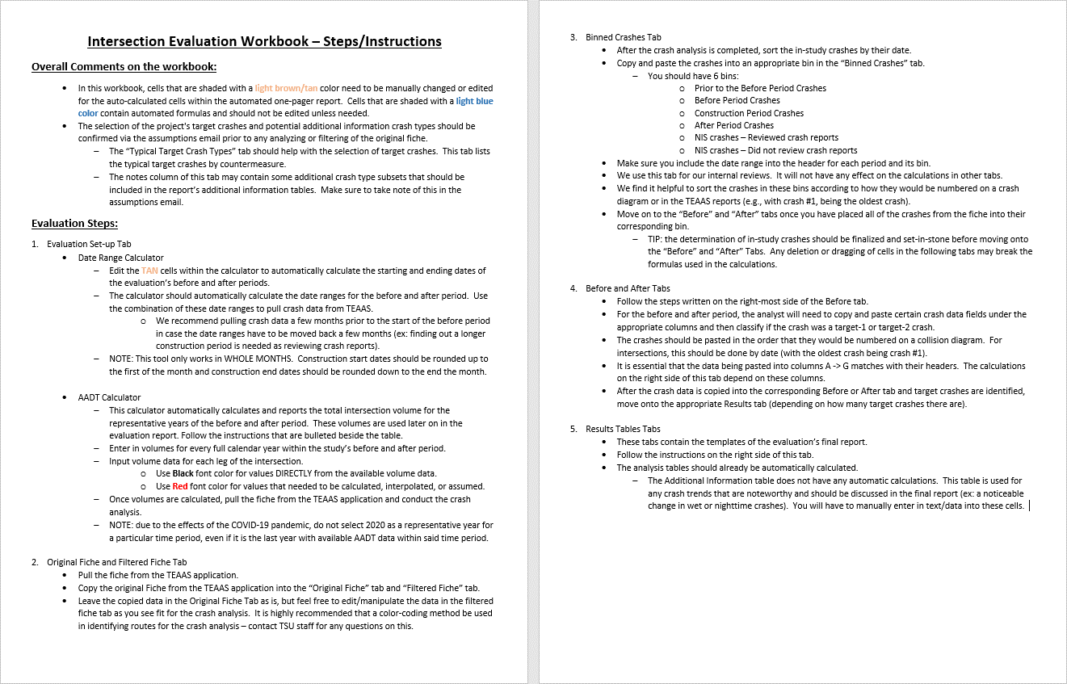

1 page results - 1 Target
 |  |  |  |  |  |  |  |  | Cell Shading Key
Safety Project Evaluation |  |  |  |  |  |  |  |  | User Input Required
 |  |  |  |  |  |  |  |  | Automatically Calculated

Order ID: | 41000078044 (1 of 2) |  |  | Treatment Information | Before | After | Percent Reduction (-) Percent Increase (+)
Project ID: | 02-20-62356 (SS-6002AD) |  |  |  |  |  |  | Comments for the user:
Signal ID: | n/a |  |  | Total Crashes | 8 | 1 | -87.50% | ● | Cells that are shaded TAN are not automatic and need to be filled in prior to printing
Location: | NC 91 at SR 1225 (Speights Bridge Road)/SR 1303 (Fieldsboro Road) |  |  | Total Severity Index | 4.70 | 1.00 | -78.72% | ● | The before, construction, and after period dates table is automated and based off of the Date Range Calculator within the "Evaluation Set-up" tab. Make sure this tab is finalized before printing.

GPS Coordinates: | 35.584352, -77.699274 |  |  | Target Crashes | 8 | 1 | -87.50%
County: | Greene |  |  | Target Crash Severity Index | 4.70 | 1.00 | -78.72% | ● | If a calculated percent increase is significantly above 100% and you feel this change would be best represented by reporting "100% +" then you should manually change these values.
City: | n/a
Division: | 2 |  |  | Volume (2021, 2024) | 1,500 | 1,800 | 20.00%
 |  |  |  |  |  |  |  | ● | There are 4 rows under the Additional information table that the user should feel free to use (or not use) as they see fit. If rows are left unused, leave "n/a" in the left most column
Countermeasure(s): | Convert intersection to All-Way STOP Control (AWSC), including: • On NC 91 approaches, - Installation of dual STOP signs (one 48" oversized R1-1 and one 30" supplemental R1-1) with ALL WAY (R1-3P) plaques and stop bars - Replacement of Cross Road (W2-1) Warning signs with STOP Ahead (W3-1) Warning signs with solar-powered flashing beacons installed closer to intersection alongside of STOP AHEAD pavement markings • On SR 1225/SR 1303 approaches, - Addition of ALL WAY (R1-3P) plaques to the existing STOP signs (R1-1) and installation of stop bars - Relocation of the existing STOP Ahead (W3-1) Warning signs |  |  | Injury Crash Summary | Before | After | Percent Reduction (-) Percent Increase (+)

 |  |  |  | Fatal Injury Crashes | 0 | 0 | n/a | ● | Write any necessary discussion on the evaluation results in the large merged cell at the bottom of the page. If no discussion is necessary, simply write "n/a" in discussion field TIP: to drop lines within a single cell, press ALT+ENTER
 |  |  |  | Class A Injury Crashes | 0 | 0 | n/a
 |  |  |  | Class B Injury Crashes | 0 | 0 | n/a
 |  |  |  | Class C Injury Crashes | 4 | 0 | -100.00%
 |  |  |  | Property Damage Only | 4 | 1 | -75.00% | Instructions for printing 1-Pager Results Tab
 |  |  |  |  |  |  |  | 1 | Highlight the cells within but not including the GREEN border
Estimated Project Cost: | $22,000 (both locations) |  |  | Target Injury Crash Summary | Before | After | Percent Reduction (-) Percent Increase (+) | 2 | Select Print or hit Control + P
Completion Date: | March 29, 2022 |  |  |  |  |  |  | 3 | Select the printer you wish to use (Microsoft Print to PDF is recommended with 8.5”x11” paper size)
 |  |  |  | Fatal Injury Crashes | 0 | 0 | n/a
 | Start Date | End Date | Length | Class A Injury Crashes | 0 | 0 | n/a | 4 | In the first box under Settings select “Print Selection”. This will ensure only the cells you have highlighted are printed out, rather than the whole sheet.
Before Period | 2017-11-01 | 2021-10-31 | 4y, 0m | Class B Injury Crashes | 0 | 0 | n/a
Construction Period | 2021-11-01 | 2022-03-31 | 0y, 5m | Class C Injury Crashes | 4 | 0 | -100.00% | 5 | Select “Custom Margins” in the second to last dropdown box. Match the margin settings in the pop up box to that of the below image. The Left/Right margins should be 0.25" and the Top/Bottom margins should be 0.5". Also make sure that the “Horizontally” and “Vertically” boxes are checked under the "Center on page" section. This will ensure the print area is centered within the page layout.
After Period | 2022-04-01 | 2026-03-31 | 4y, 0m | Property Damage Only | 4 | 1 | -75.00%

Analysis Criteria: | Treatment data consists of all crashes at the intersection of NC 91 and SR 1225/SR 1303 with a Y-line of 150' |  |  | Additional Information | Before | After | Percent Reduction (-) Percent Increase (+)

 |  |  |  | Target Crashes: EB SR 1225 At-Fault | 5 | 0 | -100.00% |  | ● | 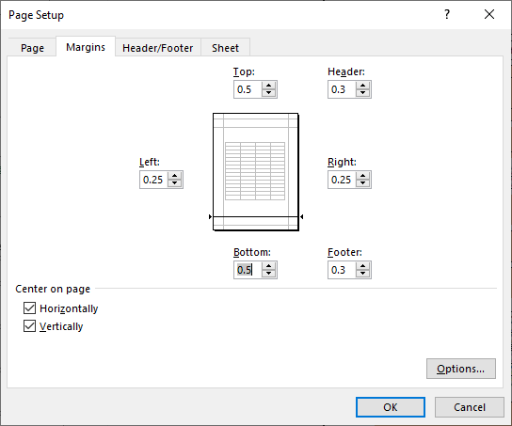
 |  |  |  | Target Crashes: WB SR 1303 At-Fault | 3 | 0 | -100.00%
Target Crashes: | Frontal impact crashes including the following types: • Left-turn, same roadway (LTSR) • Left-turn, different roadway (LTDR) • Right-turn, same roadway (RTSR) • Right-turn, different roadway (RTDR) • Head-on • Angle |  |  | Target Crashes: NB NC 91 At-Fault | 0 | 1 | n/a
 |  |  |  | Target Crashes: Failed to Yield | 8 | 0 | -100.00%
 |  |  |  | Target Crashes: Ran Stop Sign | 0 | 1 | n/a

 |  |  |  | Map/Satellite Views
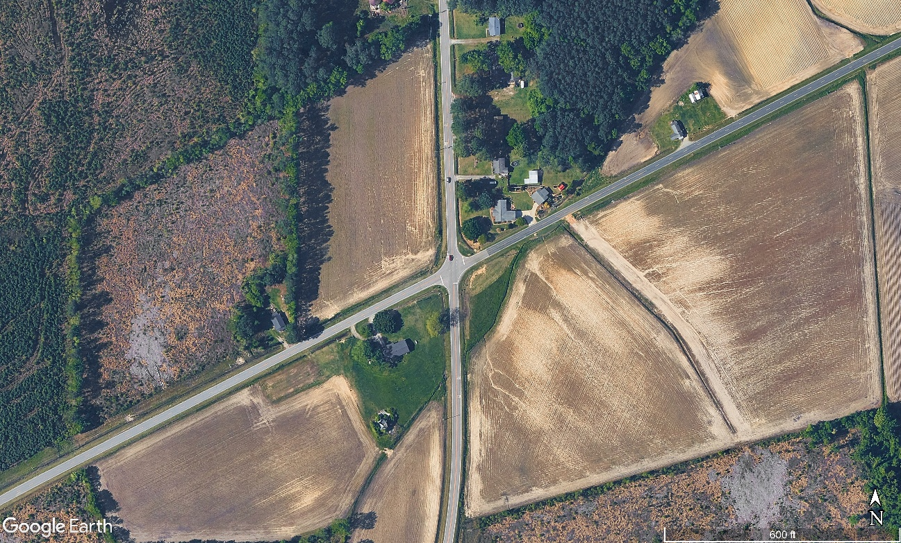
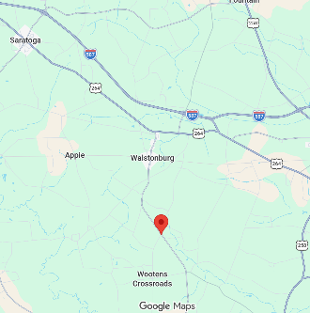

N
SR 1225 (Speights Bridge Road)
55 mph
AADT (Year)
700 vpd (2024)
SR 1303 (Fieldsboro Road)
55 mph
AADT (Year)
650 vpd (2024)
NC 91
55 mph
AADT (Year)
950 vpd (2024)
NC 91
55 mph
AADT (Year)
1,200 vpd (2024)

Project Development Comparison
Crashes Per Year by Project Time Period | Project Development | Before Period | After Period

Years | 10.00 years | 4.00 years | 4.00 years
Start Date | 2010-06-01 | 2017-11-01 | 2022-04-01
End Date | 2020-05-31 | 2021-10-31 | 2026-03-31

Total | 2.40 | 2.00 | 0.25
Fatal Injury | 0.00 | 0.00 | 0.00 |  |  |  |  | 6 | In the final dropdown box, select “Fit Sheet on One Page”
Class A Injury | 0.00 | 0.00 | 0.00 |  |  |  |  | 7 | Hit Print!
Class B Injury | 0.30 | 0.00 | 0.00 |  |  |  |  | NOTE: | If you feel that any of the above print settings should be changed to allow for a better print out of this report, contact TSU staff first. For the vast majority of evaluations, these settings should be best.
Class C Injury | 0.70 | 1.00 | 0.00
Property Damage Only | 1.40 | 1.00 | 0.25

Items for Discussion |  |  |  |  |  |  |  | 24
• The single after-period Target Crash involved a NB pickup on NC 91 that ran the STOP sign and struck an EB turning passenger car on the side street during daylight, dry conditions. • One Target crash occurred during the construction period which involved an EB passenger car on SR 1225 (Speights Bridge Road) that failed to yield when turning left and was struck by a NB single-unit truck on NC 91 during daylight, dry conditions. |  |  |  |  |  |  |  | 0
 |  |  |  |  |  |  |  | 0
 |  |  |  |  |  |  |  | 3
 |  |  |  |  |  |  |  | 7
 |  |  |  |  |  |  |  | 14

 |  |  |  |  |  |  |  |  | Total Wet Crashes | 0 | 0 | n/a
Data Prepared For: |  |  |  |  |  |  |  |  | Target Wet Crashes | 0 | 0 | n/a
The Traffic Safety Unit of the |  |  |  | Data Prepared By: |  |  |  |  | Total Dark Crashes | 0 | 0 | n/a
Transportation Mobility and Safety Division of the |  |  |  | Principal Investigator: | Chris Bahret, PE |  |  |  | Target Dark Crashes | 0 | 0 | n/a
Division of Highways of the |  |  |  | Work Group/Consultant: | VHB |  |  |  | Total KABC | 4 | 0 | -100.00%
North Carolina Department of Transportation |  |  |  | Date: | 2026-05-29 |  |  |  | Target KABC | 4 | 0 | -100.00%
 |  |  |  |  |  |  |  |  |  | 0 | 0 | n/a

 |  |  |  |  |  |  |  |  |  | 0

 |  |  |  |  |  |  |  |  |  | 0

